App side devt.
 | Work Required on app side | Work required on Server side
1 | Remove Auto debit registration page | Allow app to pass even though real name verification failed
2 | Until Penny test is complete pop up Penny test screen on every login --> if customer click "X" then allow to stay inside the app and check exchange rate | Alllow app to pass even though penny test is failed
3 | Until the customer is approved by GME, then should show on app heading as verification pending
4 | If customer clicks on any other field other than "Exchange Rate", Branch, Profile and Customer service icon show the message "Call Customer Service to complete registration"

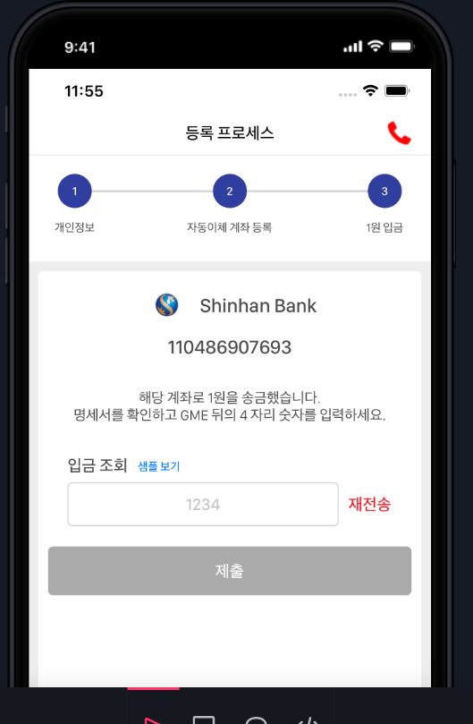

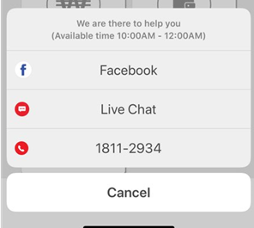

Confirm

Help

 | 4

core side
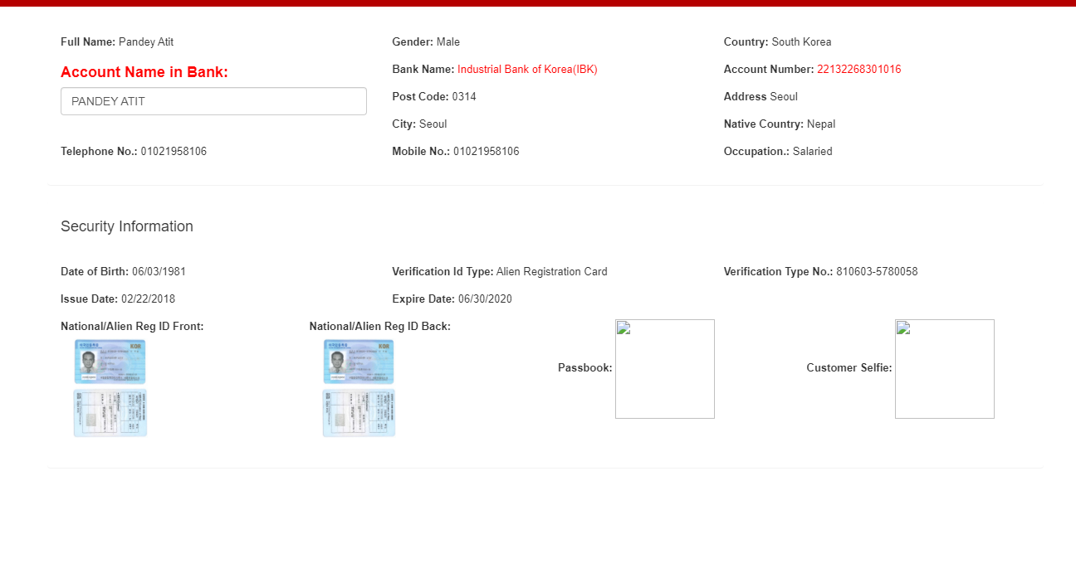

Passport Detail
Passport Detail

Additional ID
ID used for KJ Real name verification :
Passport No. : 10567754
Additional ID photo

